DWH
Performance Report |  |  |  |  |  | dwprd

System Information
Database name: |  |  | dwprd |  | DB version: |  |  |  |  | Oracle Database 11g Enterprise Edition Release 11.2.0.4.0 - 64bit Production
Instance name: |  |  | dwprd1 |  | Host name: |  |  |  |  | dw01db01.techcombank.com.vn
 |  |  | dwprd2 |  |  |  |  |  |  | dw01db02.techcombank.com.vn

Service: |  |  | DWH |  | DB IP: |  |  |  |  | 10.99.1.28
DB cluster: |  |  | Exadata |  |  |  |  |  |  | 10.99.1.29
 |  |  |  |  | OS Summary: |  |  |  |  | Oracle Linux Server release 6.7 2.6.39 400.264.6.el6uek.x86_64(64-bit)
 |  |  |  |  |  |  |  |  |  | Oracle Linux Server release 6.7 2.6.39 400.264.6.el6uek.x86_64(64-bit)
 |  |  |  |  | Hardware: |  |  |  |  | x86_64 GenuineIntel x86_64
 |  |  |  |  |  |  |  |  |  | x86_64 GenuineIntel x86_64
 |  |  |  |  | #CPU: |  |  |  | 24 |  |  |  | RAM: |  | 94
 |  |  |  |  |  |  |  |  | 24 |  |  |  |  |  | 94

1.OVERVIEW

1 | Trạng thái hệ thống: Cảnh báo. Các chỉ số Memory và CPU khá cao, vượt ngưỡng an toàn ( 80 - 85%), có thời điểm CPU đạt mức 100% Dung lượng hệ thống đáp ứng đến thời điểm: 11/2017, với mức tăng trưởng 1.2TB / tháng Action: VHHT đang thực hiện dự án Nâng cấp Exadata để đáp ứng nhu cầu của hệ thống.
2 | Swap của node 1 khá cao ( 20%), cần reset lại máy chủ node 1 để giải phóng swap.
3 | Hệ thống đã được gather dữ liệu định kỳ thành công. Việc gather được chia theo mức ưu tiên đối với các bảng chính của quá trình ETL.
4 | Dữ liệu DWH 2017 đang tăng trưởng khá nhanh (1.2TB/ tháng), cần lên phương án nén dữ liệu và rà soát.

2.DETAIL INFORMATION

2.1. Database Health Report
dwprd1
1 Month Target Availability History |  |  |  |  |  |  |  |  |  |  |  | Current Incident Summary
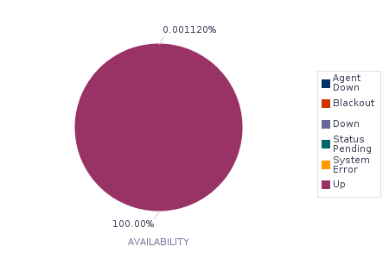
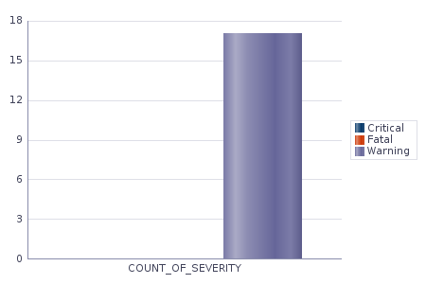

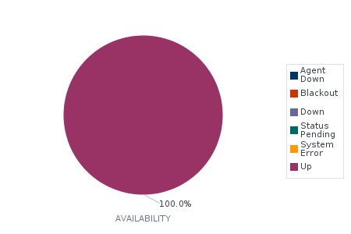
dwprd2
1 Month Target Availability History |  |  |  |  |  |  |  |  |  |  |  | Current Incident Summary
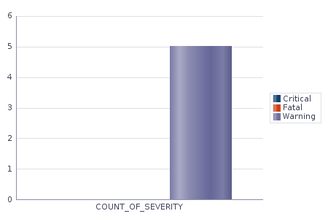

Incident detail
SUMMARY_MSG
Recommendation:
 | Hệ thống gặp 17 lỗi Critical tại node 1, là các lỗi Dump Memory của các tiến trình chạy báo cáo hàng ngày và các lỗi liên quan đến Swap.

2.2. Database Performace Review

Recommendation:
 | Hệ thống chạy tải cao và gặp nhiều wait vào các khung giờ 6h-9h sáng các ngày, do đáp ứng ETL và báo cáo đầu ngày của User.

2.3. Average Active Sessions
Description:
This metric represents the average active sessions at a point in time. It is the number of sessions that are either working or waiting.

Recommendation:
 | - Hệ thống phân tải đều vào 2 node, với tổng số session là 80 active max, nằm trong ngưỡng an toàn.

2.4. Database Historical Space Usage
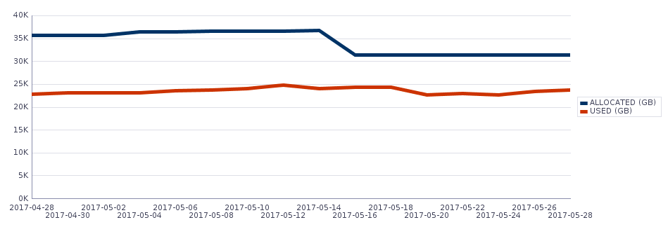

Space Usage Detail:
CREATE_DATE |  |  |  | VALUE
0017-04-30T00:00:00.000+07:00 |  |  |  | 23146.03
Database Space Usage:
CURR_SIZE_GB |  | CURR_USED_GB |  | CURR_USED_PCT |  |  | MAX_SIZE_GB |  |  |  | MAX_USED_GB |  |  | MAX_USED_PCT
31441.99 |  | 22154.65 |  | 70.462 |  |  | 36767.97 |  |  |  | 24780.36 |  |  | 78.264
Tablespace Usage
TABLESPACE |  |  |  | USED_GB |  |  | SIZE_GB |  |  |  | USED_PERCENT
AUDIT_TBS |  |  |  | 20 |  |  | 96 |  |  |  | 21
DWH2015_TBS |  |  |  | 1034 |  |  | 3200 |  |  |  | 32
DWH2016_TBS |  |  |  | 860 |  |  | 3294 |  |  |  | 26
DWH2017_TBS |  |  |  | 3890 |  |  | 4417 |  |  |  | 88
DWH_BK |  |  |  | 1171 |  |  | 3767 |  |  |  | 31
DWH_IND_TBS |  |  |  | 1400 |  |  | 1905 |  |  |  | 73
DWH_STAGING_TBS |  |  |  | 196 |  |  | 352 |  |  |  | 56
DWH_TBS |  |  |  | 1583 |  |  | 3743 |  |  |  | 42
EDW_DMT_TBS |  |  |  | 1990 |  |  | 2779 |  |  |  | 72
EDW_SOR_TBS |  |  |  | 1839 |  |  | 2527 |  |  |  | 73
EDW_STG_TBS |  |  |  | 157 |  |  | 322 |  |  |  | 49
HB_TBS |  |  |  | 89 |  |  | 224 |  |  |  | 40
KRM_TBS |  |  |  | 2377 |  |  | 3234 |  |  |  | 74
MBV_TBS |  |  |  | 7 |  |  | 320 |  |  |  | 2
ODI_TBS |  |  |  | 4 |  |  | 64 |  |  |  | 6
SYSAUX |  |  |  | 160 |  |  | 256 |  |  |  | 62
SYSTEM |  |  |  | 19 |  |  | 320 |  |  |  | 6
T24REP_TBS |  |  |  | 316 |  |  | 768 |  |  |  | 41
TEMP_DWH2_TBS |  |  |  | 0 |  |  | 351 |  |  |  | 0
TEMP_KRM |  |  |  | 0 |  |  | 32 |  |  |  | 0
TEMP_TBS |  |  |  | 0 |  |  | 1430 |  |  |  | 0
UNDOTBS1 |  |  |  | 133 |  |  | 726 |  |  |  | 18
UNDOTBS2 |  |  |  | 184 |  |  | 739 |  |  |  | 25
USERS |  |  |  | 1216 |  |  | 1439 |  |  |  | 85
USERS02 |  |  |  | 115 |  |  | 224 |  |  |  | 51
VAS_TBS |  |  |  | 2586 |  |  | 4864 |  |  |  | 53
Recommendation:
 | Dung lượng hệ thống giảm 10TB allocated, do có hoạt động Quy hoạch lại vùng dữ liệu và nén các dữ liệu DWH 2016 bảng Account.
 | Mức tăng trưởng dữ liệu hàng tháng 1.2TB.

2.5. Interconnect Traffic (Transfer Rate - MB/s)
Description:
This metric collects the internode communication traffic of a cluster database instance.
The critical and warning threshold of this metric are not set by default. Users can set them according to the speed of their cluster interconnects.
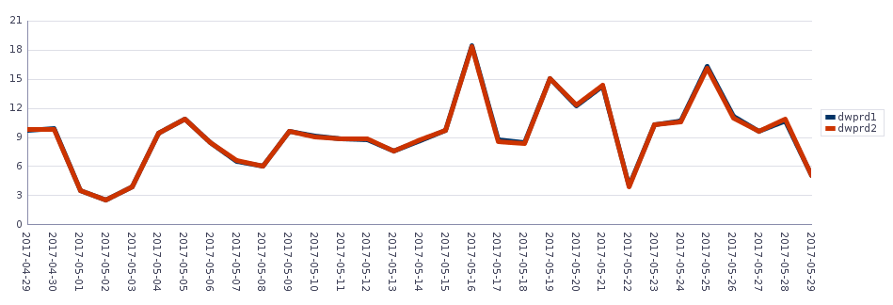

Recommendation:
 | Giao tiếp dữ liệu giữa 2 node nằm trong ngưỡng an toàn.
2.6. Network Throughput (Bytes/s)
Description:
This metric represents the total number of bytes sent and received through the SQL Net layer to and from the database.
This test checks the network read/write per second. If the value is greater than or equal to the threshold values specified by the threshold arguments, and the number of occurrences exceeds the value specified in the Number of Occurrences parameter, then a warning or critical alert is generated.

Recommendation:
 | Giao tiếp dữ liệu qua card mạng thấp ( 2.4MB/s ).
2.7. Total Memory Usage (MB)
Description:
SGA is fixed size, that is contain data and control information for one Oracle Database instance. The SGA is shared by all server and background processes.
PGA is dynamic size, that is a memory region that contains data and control information for a server process.
Total Memory Usage Chart

dwprd1

dwprd2

Recommendation:
 | Hệ thống sử dụng khoảng 50G cho việc chạy database DWPRD. Các phần memory khác do ứng dụng ODI và database PCA trên server

2.8. IOPS on Disk
Description:
This metric represents the total rate of I/O read and write requests on disk for the database.

Recommendation:
 | IOPS trên disk thấp so với năng lực của thiết bị
2.9. Average Synchronous Single-Block Read Latency (ms)
Description:
The average latency in milliseconds of a synchronous single-block read. Synchronous single-block reads are a reasonably accurate way of assessing the performance of the storage subsystem. High latencies are typically caused by a high I/O request load. Excessively high CPU load can also cause the latencies to increase.

2.11. Object's Statistic
a. Table's statistic
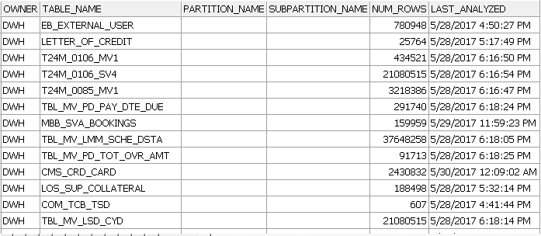

Recommendation:
 | Hệ thống đã được gather định kỳ thành công.
 |  |  |  |  |  |  |  | Page 1 of 1

